Sheet1
 | Item # | Description | UPC | Quantity | Retail | Case Pack
 | 1420331-01 | SKYLANDER BATTLECAST SPELL BOOK | 6-17885-01227-3 | 9,624 | $29.99 | 4
 | 1354221-01 | Skylander Garage | 6-17885-01107-8 | 9,340 | $25.99 | 4
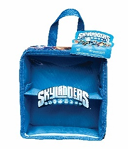 | 144404-01 | SKYLANDERS CLASSIC SHOW AND GO | 6-17885-00748-4 | 6,840 | $14.99 | 4
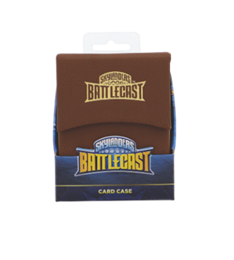 | 1425411-01 | SKYLANDER BATTLECAST CARD CASE | 6-17885-01281-5 | 3,696 | $14.99 | 16
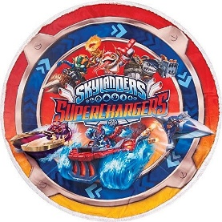 | 1364311-01 | SKYLANDER PLAYMAT | 6-17885-01114-6 | 3,324 | $19.99 | 4
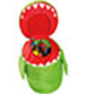 | 1354224-01 | Skylander Chompy Pop Up Storage | 6-17885-01109-2 | 1,620 | $24.99 | 3
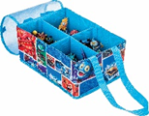 | 1231015-01 | SKYLANDER COLLAPSIBLE STORAGE | 6-17885-00867-2 | 1,137 | $14.99 | 3

 |  |  |  | 35,581

